DataCollection_General
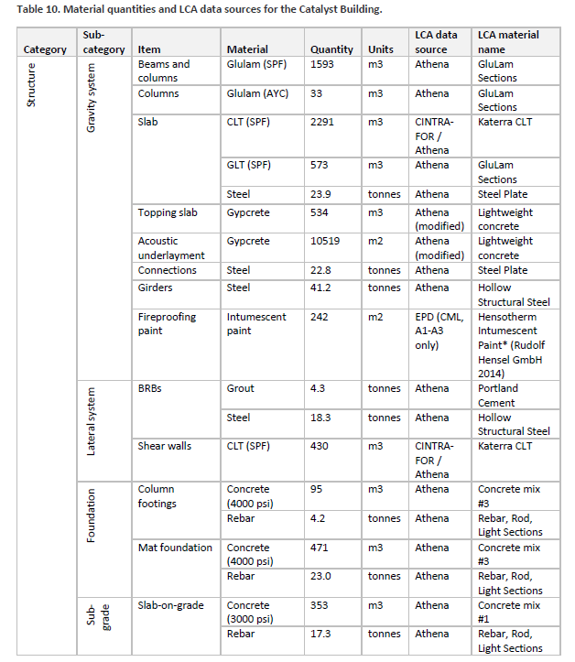
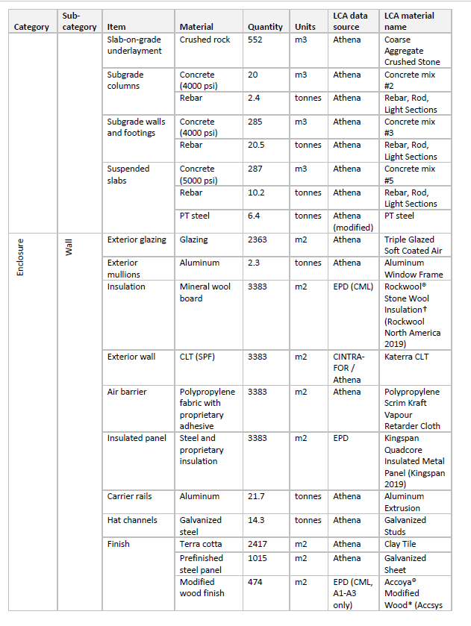
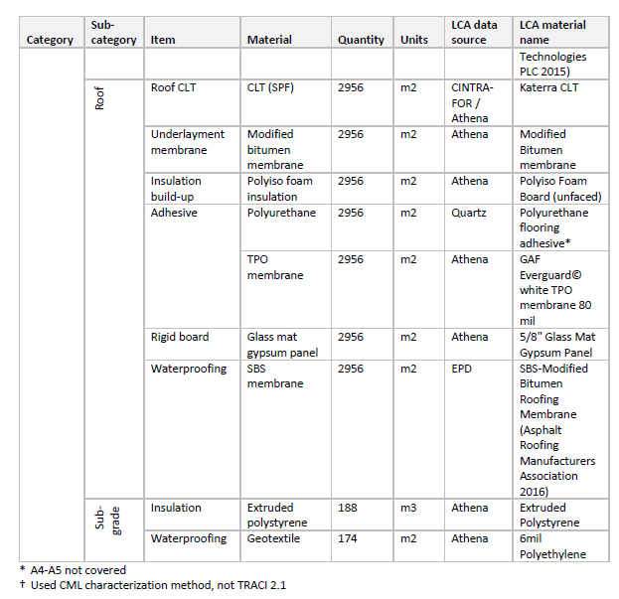
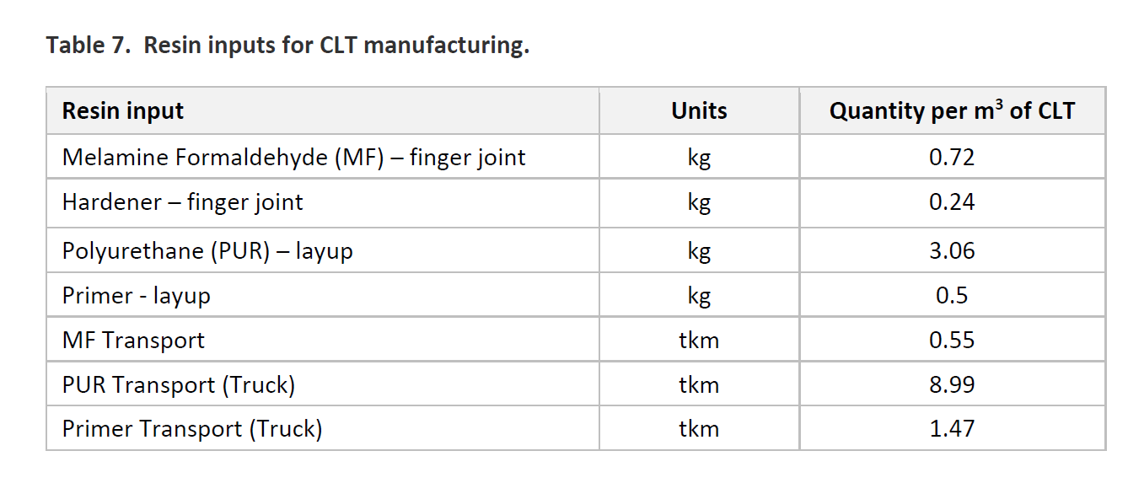
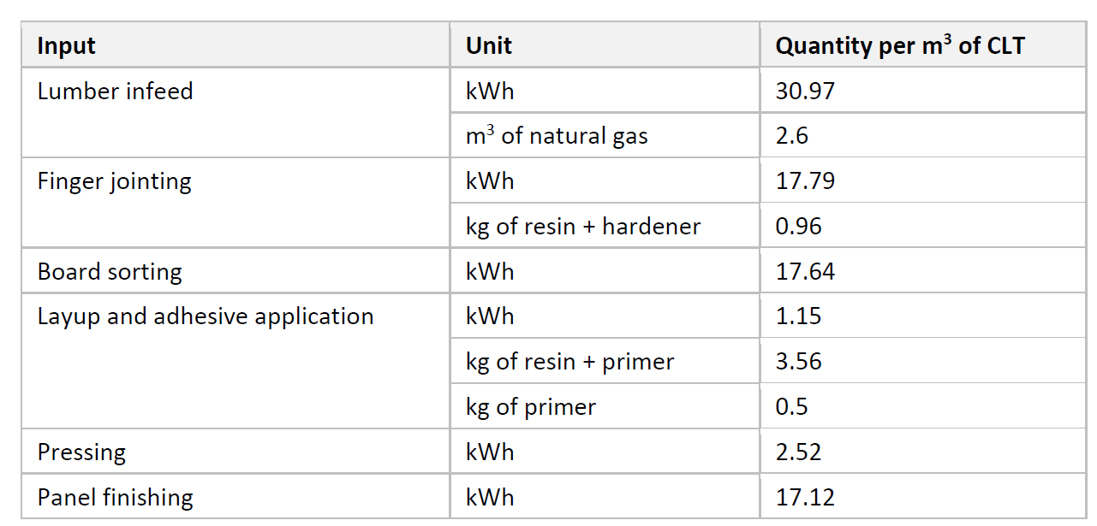
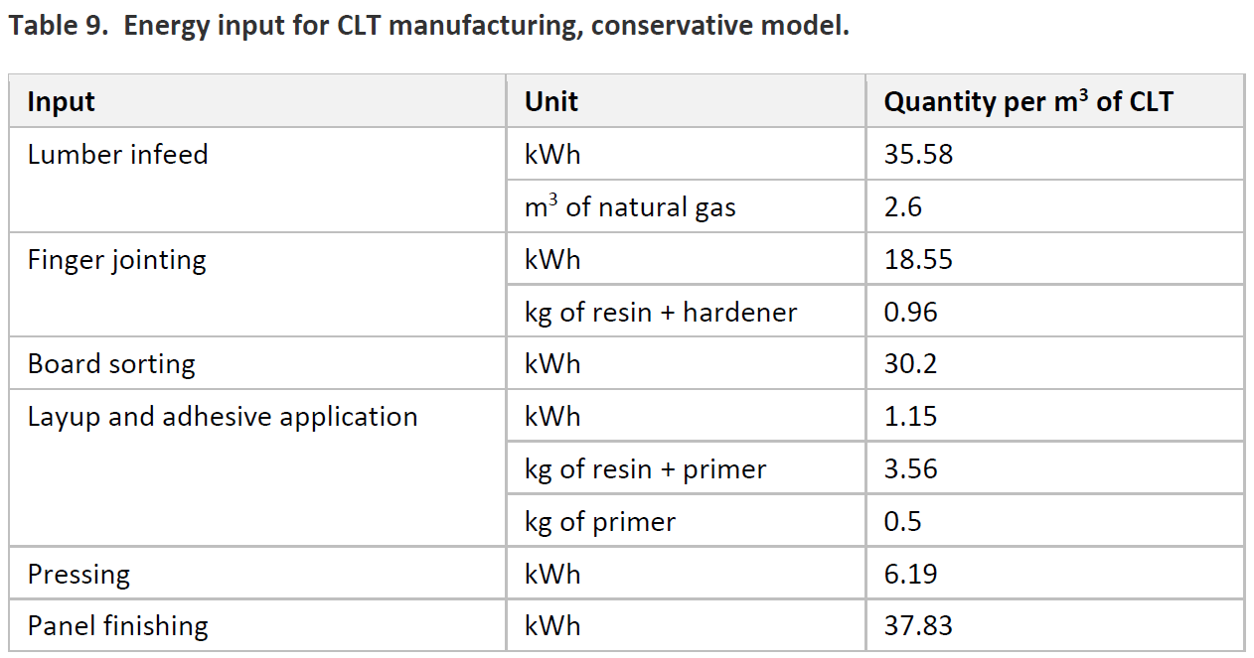
Source: LCA of CLT produced in Western Washington: The role of logistics and wood species

Product |  |  | Notes
For product: CLT | 1 | m3 | Published year | 2019
 | 472.44 | odkg | Geog | Regionally specific to Western Washington
Wood portion | 466 | odkg | Study focus | Transportation logistics, mill location, relevant wood species- Douglas fir, Sitka Spruce
Resin | 72.06 | odkg | Material Estimates taken from : Brandt, K.;Wolcott, M.; Bender, D.; Dolan, D.;Wilson, A. A Pilot Supply Chain for Advanced Manufacture of CLT in the Pacific Northwest: Appendix C—Techno-Economic Analysis for Manufacturing Cross-Laminated Lumber; USFS Final Report; 2018, in press.
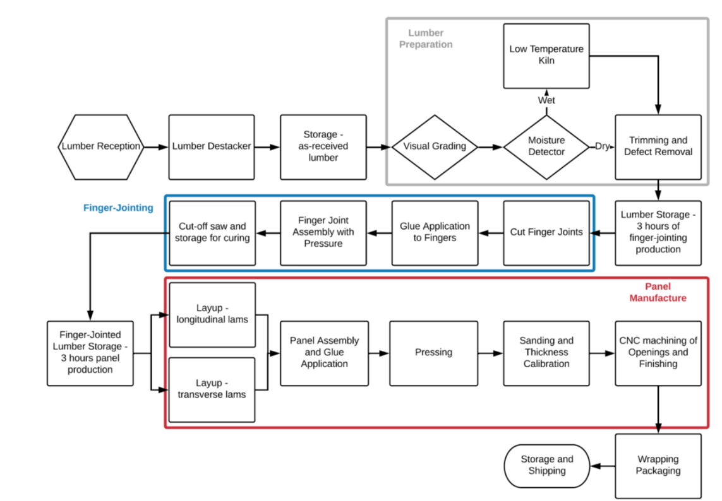
 |  |  |  |  |  | Material values from appendix C which cannot be found!
Energy Inputs |  |  |  |  |  | Mfc of capital equipment, facility maintenance and labor costs were beyond the scope of the study
Lumber prep | 44 | kWh |  |  |  | Other assumptions about density for dry, timber requirement based on TEA, moisture content 12% +- 3%
 | 2.63 | m3 Natural Gas |  |  |  | For the TEA, the CLT mills studied were from Europe
Finger jointing | 32 | kWh |  |  |  | For transportation: 5 mid to large sawmills were selected and CLT hypothetical mills were assumed
 | 1.61 | kg Resin
Lay-up and Adhesive Application | 3 | kWh
 | 4.83 | kg Resin
Pressing | 18 | kWh
Panel finishing | 31.75 | kWh

Cradle to gate impact analysis of SE/NW glulam: CORRIM
Source: https://corrim.org/wp-content/uploads/2018/03/cradle-to-gate-impact-analysis-glulam-pnw-se.pdf |  |  |  |  |  |  | Scope: Cradle (Seedling) to gate (packaged product)
Resins used are phenol-resorcinol-formaldehyde, melamine urea formaldehyde
This report has an inventory of electricity, natural gas, diesel, etc. transport, resins, lumber, wrapping material, etc.

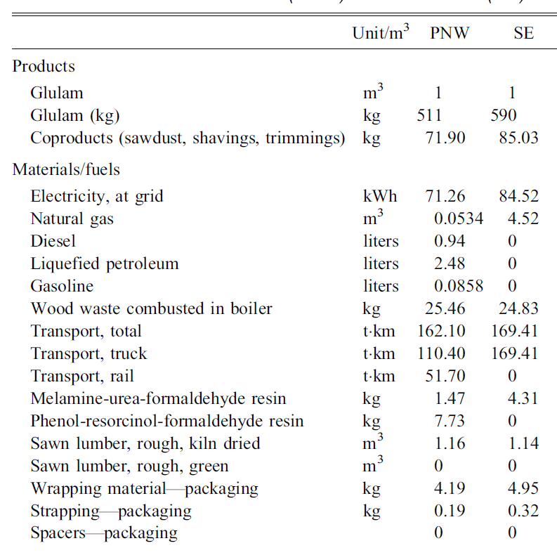
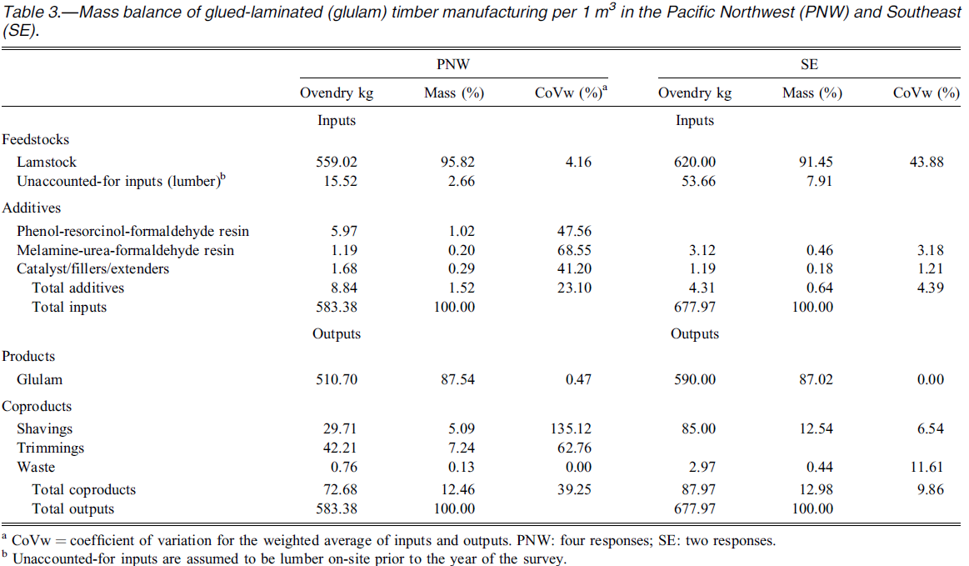

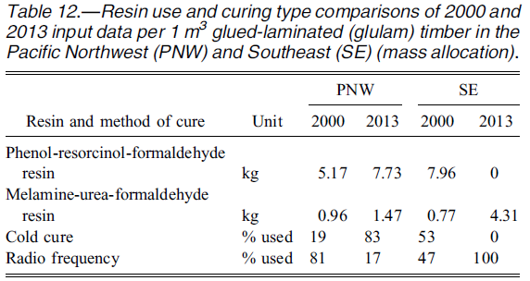

SE Glulam LCA report: 1/7/13
https://corrim.org/wp-content/uploads/2018/06/SE-Glulam-LCA-report-1_7_13-final.pdf
This report has in depth information and assumptions about how timber is grown in the SE- including low, medium and high intensity inputs required for growing the timber
Also quantitative inputs for fuel, electricity and diesel use in forest management processes
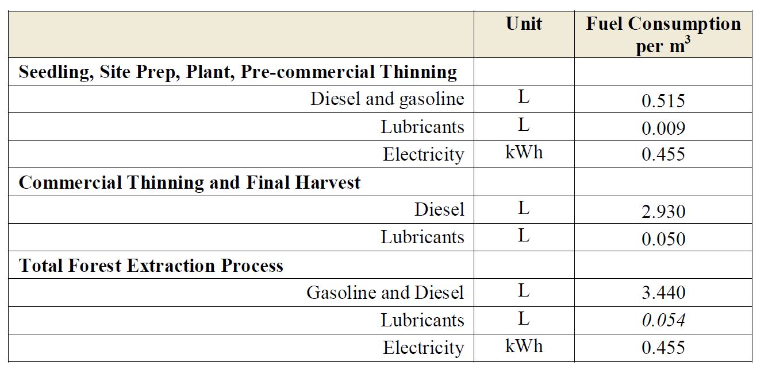
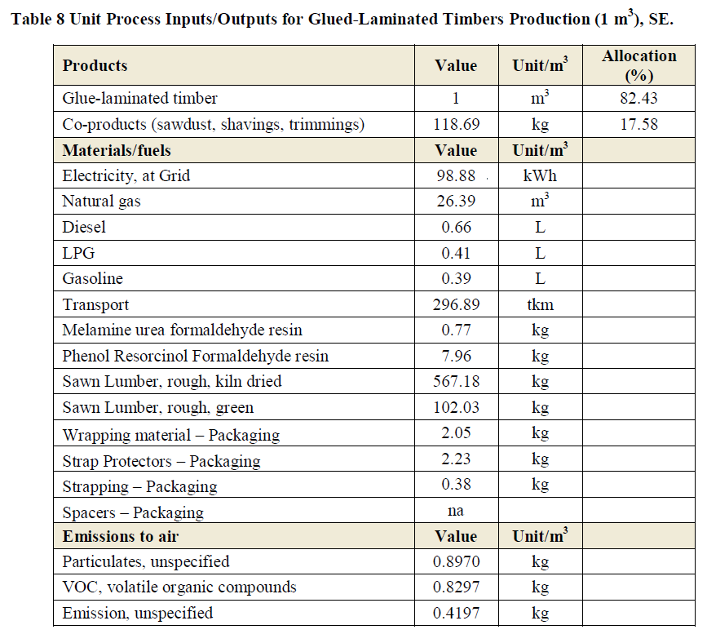

PNW Glulam LCA report: 1/7/13
https://corrim.org/wp-content/uploads/2018/06/SE-Glulam-LCA-report-1_7_13-final.pdf
Same as above but for PNW

LCA of Oregon CLT |  |  |  |  | Data from: Manufacturer, gate to gate softwood lumber prod (Milota 2015), cradle to gate forest resources (Oneil and Puettmann 2017)
https://corrim.org/wp-content/uploads/2019/02/Life-Cycle-Assessment-of-Oregon-Cross-Laminated-Timber.pdf |  |  |  |  | Published in 2/19, specific to northwest; wood species used is Douglas Fir
Not ver helpful quantitatively but goor source to know about the process of mfc CLT

CORRIM Factsheet
https://corrim.org/wp-content/uploads/2017/12/CORRIM_Factsheet_December_2013.pdf
Timeline of the carbon cycle with trees

Softwood Lumber SE (CORRIM)
https://corrim.org/wp-content/uploads/2018/03/softwood-lumber-se.pdf
Details on inputs to softwood production stage in the SE, same report for PNW is also available

Katerra LCA final report
https://assets2.katerra.com/wp-content/uploads/2020/02/25111837/Katerra-LCA-Final-Report-2020-update.pdf
Has numbers for inventory for Katerra's CLT mfc process

